Cover Page
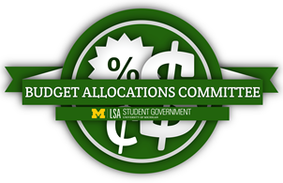

University of Michigan
LSA Student Government
Student Organization Funding Application Fall 2018

 |  | Important Dates:
Cycle | Application Opens | Application Due | Appeals Due | Appeals Interview | Reciepts Deadline
Cycle 1 | 2018-09-16 | 2018-10-19 | 2018-11-02 | 2018-11-04 | 2018-12-11
Cycle 2 | 2018-10-05 | 2018-10-26 | 2018-11-02 | 2018-11-04 | 2018-12-11
Cycle 3 | 2018-10-26 | 2018-11-16 | 2018-11-30 | 2018-12-02 | 2018-12-11
Cycle 4 | 2018-11-16 | 2018-11-23 | 2018-11-30 | 2018-12-02 | 2018-12-11

Submit your application to submitbacapp@gmail.com
Title your email and application: Student Org. name, your umich unique name
Once your application has been received an email confirmation will be sent out
For additional questions please contact Nicholas Martire at lsasgbudgetallocations@gmail.com

